Introduction
The Adapted Governance Maturity Matrix

Introduction:

- Advanced clinical practice (ACP) is a defined level of practice within clinical professions such as nursing, pharmacy, paramedics and occupational therapy. This level of practice is designed to transform and modernise pathways of care, enabling the safe and effective sharing of skills across traditional professional boundaries.
- Advanced clinical practitioners (ACPs) are healthcare professionals, educated to Master’s level or equivalent, with the skills and knowledge to allow them to expand their scope of practice to better meet the needs of the people they care for. ACPs are deployed across all healthcare settings and work at a level of advanced clinical practice that pulls together the four ACP pillars of clinical practice, leadership and management, education and research.
- A definition of ACP, its underpinning standards and governance, can be found in the Multi-professional framework for advanced clinical practice in England. The framework ensures there is national consistency in the level of practice across multi-professional roles that is clearly understood by the public, advanced clinical practitioners, their colleagues, education providers and employers.
- The roles undertaken by advanced clinical practitioners are determined by the needs of the employer and how they require the level of practice to be deployed within their setting.
- Unfortunately, an absence of a separate professional regulatory body for advanced practitioners and lack of guidance has led to a variation and uncertainty in provider responsibilities for advanced practice governance. The Centre for Advancing practice developed the Governance Maturity matrix in 2022 to help support and instil robust governance structures in organisations employing ACP's. However, through a series of engagement events by SY ICB it became clear that some organisations like primary care, felt it did not meet their needs. This adapted governance maturity matrix is an attempt to improve accessiblity to the governance tool and encourage the uptake of its use.

Context
The Adapted Governance Maturity Matrix

Context of Advanced Practice Governance

All practitioners working at advanced practice level are regulated health or social care professionals. As such, they and thier professional practice are accountable to the relevant statutory regulatory body for their practice, and are required to limit their practice to what they can do safely and effectively within their scope of practice and capabilities at any one time.
It is the core role of the regulatory body to assure practitioners’ fitness to practise within their profession, whilst it is employers’ responsibility to ensure practitioners working in advanced practice roles have the capabilities required for the particular job role for which they are employed or deployed. Therefore, employers must have robust organisational governance and assurance arrangements in place to provide the most effective means of controlling for risks to patient safety that could arise from individual practitioners’ advanced practice.
The provider's role in supporting advanced practice governance is implicitly noted in regulation 12 and 18 of the Health and Social Care Act 2008:
Regulation 12 safe care and treatment and regulation: Providers must make sure that staff have the qualifications, competence , skills and experience to keep people safe and in regulation
Regulation 18 staffing: Staff must receive the support, training, professional development, supervision and appraisals that a re necessary for them to carry out their duties.
Ensuring clear, robust governance and assurance for advanced practice roles can be a challenge for organisations, with consideration given to the structures and processes that need to be in place often only considered as an afterthought once roles have been introduced; this can lead to both practitioner and patient safety concerns.

Guide
The Adapted Governance Maturity Matrix Guide:

Organisations should rate thier extent of progress.
Black signifies 'nothing yet planned' through to green where it is fully embedded and acheived.
Using the BRAG rating as well as keeping notes, enables a quick visual update on the progress made.

Organisations can document here where they are in terms of each stage, plans for further development and any barrier to progress.

Purpose
The Adapted Governance Maturity Matrix

Purpose:

The original maturity matrix by NHSE and this 'adapted version' was designed to support providers to put anticipatory governance arrangements in place, to keep their effectiveness under review, and to actively plan for strengthening arrangements to optimise how advanced practice roles contribute to workforce development and deployment, service delivery, and patient care.
Both matrix are aimed to be utilised by those who lead or are influencing the advanced practice agenda. It is designed to foster discussion and constructive challenge, before a consensus on the current self-assessment and future aspirations can be reached. Importantly, a provider may not necessarily be at the same stage for each of the key elements identified.
The matrix represents 8 themes that have been adapted to meet the demands of organisations that sit outside secondary care trusts, such as primary care. Each theme has its own set of associated aims and underpinning criteria representing the graduations of maturity an organisation may align to in regards to the governance within that theme. The themes form part of the whole system, so progress and benefits in one area is often dependant on progress in another. Once completed the results can be utilised to inform and action plan and ongoing advanced practice strategic development within the provider.

Minimum Standards
The Adapted Governance Maturity Matrix

What next?

MINIMUM STANDARDS IN PLACE
Regardless of the organisations postion on the adapted governance maturity matrix, the South Yorkshire ICB recommend the following things should be in place:
- Advanced practioners (APs) have a supervisor and are allocated time for regular supervision.
- AP have a live portfolio.
- AP's have a bespoke appraisal, mapped to the 4 pillars of advancedpractice.
- AP's have a job plan in place with dedicated time allocated to acheive all four pillars of advanced practice
- An appropriate audit tool is utilised to capture the impact of advanced practice.
ACTION PLANNING
It is often helpful to generate an 'action plan' after each section on things you can identify to work on over the following 6 months.
This keeps the document live, up to date and essentially reflecting a growth in the governance arrangements around advanced practice in your organisation.
It is recommended the matrix is reviewed at a minumum of annually and whenever an action plan item has been acheived.
SUPPORT WITHIN THE SY ICB
A full programme of support is available from The South yorkshire Advanced practice support Progamme:
SARAH FISHER - SY ICB Advanced Practice Professional Lead
Sarahfisher2@nhs.net
CHERYL JENKINSON - Program lead
Cheryl.jenkinson1@nhs.net

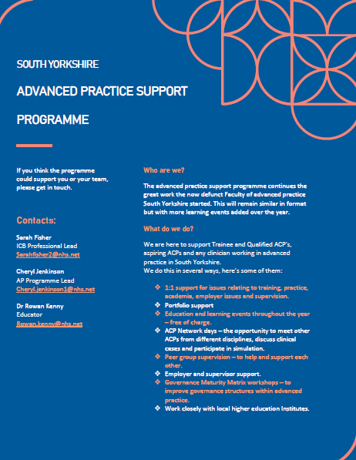
Website:
SYACP

This is the first version of The Adapted Governance Maturty Matrix (2024). Feedback is encouraged and welcomed to ensure this tool is fit for purpose. If you have some feedback to share please email Sarah fisher and Cheryl Jenkinson on the above emails.

